Sheet1
Determinant Categories | Macrodeterminants | Microdeterminants | Sources of Metrics |  | Determinant Categories | Macrodeterminants | Microdeterminants | Sources of Metrics
Physical Environment 7% | Ambient Substances | Tobacco Use Exposure | National Health Interview Survey (NHIS) |  | Individual Behavior 36% | Psychological Assets | Conscientiousness Level | Big Five Inventory (BFI)
 |  | Air Quality |  |  |  |  | Self-efficacy | NIH Toolbox Self-efficacy Survey
 |  | Lead Exposure Levels | ???? |  |  |  | Optimism Level | Life Orientation Test - Revised (LOT-R)
 |  | Carcinogen Exposure | ???? |  |  |  | Life Satisfaction Level | ???
 |  | Water Quality | ???? |  |  |  | Cognitive Function in Late Life | ???
 |  | Allergens | ???? |  |  | Negative Mood and Affects | Stress Level | Behavioral Risk Factor Surveillance System (BRFSS)
 | Location | Exposure to Weapons | ???? |  |  |  | Hopelessness Level | Generalized Anxiety Disorder Scale (GAD-7)
 |  | Residence Quality | ???? |  |  |  | Anxiety Level
 |  | Walkability | ???? |  |  |  |  | Patient Reported Outcome Measurement Information System (PROMIS) T-score
 |  | Recreational Activity Access | ???? |  |  |  | Depression Level
 |  | Access to Vocational Training | ???? |  |  |  |  | Patient Health Questionnaire (PHQ-9)
 |  | Educational Opportunities | ???? |  |  |  |  | Center for Epidemiological Studies Depression Scale (CES-D)
 |  | Public Space Quality | ???? |  |  | Controlled Substance Use | Alcohol Use Habits | Alcohol Use Disorders Identification Test (AUDIT-C)
 |  | Job Opportunities | ???? |  |  |  | Tobacco Use Habits | National Health Interview Survey (NHIS)
 |  | Crowding Conditions | American Community Survey (ACS) |  |  |  | Recreational Drug Use Habits | ???
 |  | Transportation Quality |  |  |  |  | Prescription Drug Use Habits | ???
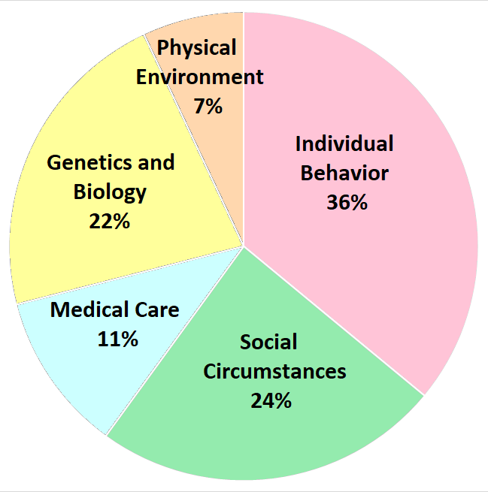
 |  | Crime Level | US Census |  |  | Physical Routines | Sleep Patterns | ???
 |  | Access to Healthy Foods | Geocoded Residential Address |  |  |  | Diet Patterns | ???
 |  |  |  |  |  |  | Exercise Vital Signs | Individual Physical Examination
Genetics and Biology 22% | Genetic | Single-gene | Genetic Test |  |  |  | Metabolic Equivalent of Task (MET Minutes)
 |  | Chromosome |  |  |  | Other Risk-related Behaviors | Gun Behavior | ???
 |  | Multifactoral |  |  |  |  | Sexual Activity | ???
 |  | Mitochondria DNA-linked |  |  |  |  | Motor Vehicle Behavior | Behavioral Risk Factor Surveillance System (BRFSS)
 |  | Gender | U.S. Census
 | Body Structure | Age | U.S. Census |  | Social Circumstances 24% | Intrinsic Characteristics | Gender Identity | ???
 |  | Height | Individual Physical Examination |  |  |  | Sexual Orientation | National Health Interview Survey (NHIS)
 |  | Weight |  |  |  |  | Race and Ethnicity | ???
 |  | Waist-hip Ratio |  | In percentage terms, how much variation in health status is explained by each of the five categories? |  | Personal History | Military Service | American Community Survey (ACS)
 | Body Function | Bone Density | DXA Scan |  |  |  | Citizenship Status | US Census
 |  | Blood Pressure | Sphygnomanometry |  |  |  | History of Incarceration | ???
 |  | Nutritional Status | Serum Protein Testing |  |  |  | Early Childhood Education and Development | Adverse Childhood Experience (ACE) score
 |  | Biochemical Function | ???? |  |  |  | Discrimination | ???
 |  | Sensory Function | Sensory System Testing |  |  |  | Work Conditions | ???
 |  | Movement and Balance | Motor System Testing |  |  | Social Status | Occupation | US Census
 |  | Strength and Robustness | Strength Testing |  |  |  | Education Level
 |  | Fitness | Cardiorespiratory Fitness Test |  |  |  | Language and Literacy Level
 |  |  |  |  |  |  | Family Income Level
Medical Care 11% | Access to Healthcare | Distance to Resources | ???? |  |  |  | Individual Income Level
 |  | Provider Availability | ???? |  |  |  | Subjective Social Status | MacArthur SES Indicator
 |  | Vaccines and Immunizations | Vaccine Registries |  |  | Culture and Tradition | Religious Involvement | ???
 |  | Quality of Insurance | ???? |  |  |  | Community Cultural Norms | ???
 | Quality of Healthcare | Provider Linguistic Competency | ???? |  |  |  | Family Cultural Norms | ???
 |  | Provider Cultural Competency | ???? |  |  | Social Connectedness | Quality of Community Support | National Health and Nutrition Examination Survey (NHANES III)
 |  | Provider Technical Competency | ???? |  |  |  | Quality of Friends' Support
 |  | Administrative Efficiency | ???? |  |  |  | Quality of Family Support
 | Patient Characteristics | Patient Engagement | Patient Activation Measure (PAM Survey) |  |  |  | Intimate Relationships | Intimate Partner Violence (HARK) Questionnaire
 |  | Health Literacy | Rapid Estimate of Adult Literacy in Medicine (REALM) |  |  |  | Civic Participation | ???

